My own apartment
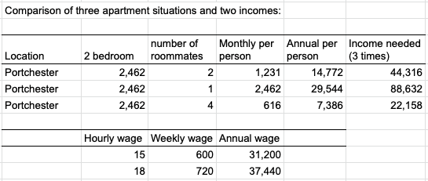
 |  |  |  |  |  | Example:
Comparison of three apartment situations and two incomes:

Location | 2 bedroom | number of roommates | Monthly per person | Annual per person | Income needed (3 times)

 | Hourly wage | Weekly wage | Annual wage

Charlotte 11505 Masterdon Rd
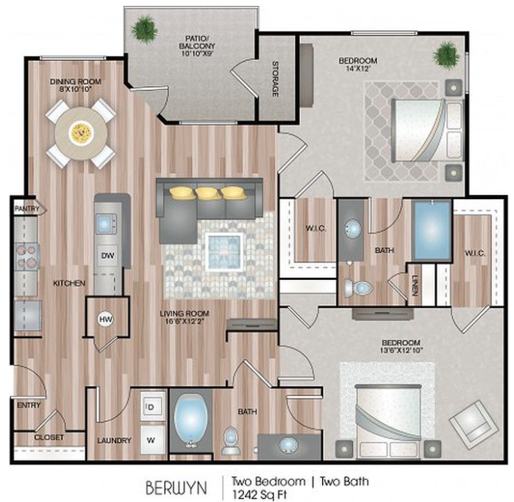
Arwen Vista
Berwyn
$1,545 / mo
2 bed
2 bath
1,242 sqft
Available Apr 17 2023Unit 1-10301

https://www.zillow.com/b/arwen-vista-charlotte-nc-5XhwCD/

Town | Rent | Deposit | Bedrooms | Bath | Square footage | Amenities | Commute time | Address
Charlotte | $1,545 |  | 2 | 2 | 1,242 | Laundry, pool | 5 minutes | 11505 Masterton Rd, Charlotte, NC 28262

